1. Title Page
[Project Name]

Project Name: Instacart Grocery Basket Analysis
Date: 10/28/2024
Analyst Name: Lertkiet Lertchayantee

Contents:
Population Flow
Consistency Check
Wrangling steps
Column derivations
Visualizations
Recommendations

2. Population Flow
Title page

Population flow

Exclusion flag
Condition: max_order < 5
Obervations to be removed: 1,440,295
Final total count of order_products_all: 30,964,564

Orders_products_combined
Orders_products_merged
Orders_products_all

Total: 32,404,859
Total: 32,434,489
Total: 32,404,859

1.) The grey boxes in the first row of the population flow represent the original data sets as they were when you downloaded them. In the Total fields you need to add the count of the rows when you imported the data set into Jupyter.
2.) The second row of boxes (coloured) represents the data sets after you manipulated them, e.g., removed missing values and duplicates. In the Total fields you need to add the count of the rows after conducting these operations. This offers a visual oveview of how the data flows throughout the data consistency checks.
3.) The third row, where also the arrows are coloured, represents the merges you performed between the datasets. In the Total fields you need to add the count of the rows in the merged datasets, so that you end up with the final dataset (in the red box). Keep in mind the final dataset should be without exclusions (based on the exclusion flag).

3. Consistency checks
Consistency checks

Dataset | Missing values | Missing values treatment | Duplicates
orders | 206,209 missing values in days_since_prior_order column. | Flag them as a first orders in a different column. | No duplicates.
products | 16 missing values in product_name column. | 1. Save rows with missing values in df_nan variable. 2. Filter out those 16 missing values and save into df_prods_clean variable. | Found 5 duplicated rows and save them into df_dups variable.
orders_products_prior | No missing values. | No missing values. | No duplicates.
customers | 11,259 missing values in First Name column. | Leave them as they are because first names can be unique and cannot be substituted with any other values. | No duplicates.

4. Wrangling steps
 |  |  |  | Title page
Wrangling steps

Columns dropped | Columns renamed | Columns' type changed | Comment/Reason
1. File: orders.csv
eval_set' | 'order_dow' --> 'orders_day_of_week' |  | Columns dropped: unnecessary columns
 | days_since_prior_order' --> 'total_days_since_last_order' |  | Columns renamed: Clarity
2. File: orders_products
'Unnamed: 0.1',
Unnamed: 0_x',
Unnamed: 0_y',
price_range_loc', |  |  | Columns dropped: unnecessary columns
busiest_day',
busiest_period_of_day',
average_price',
_merge',
median_days',
 | Surnam' --> 'Last Name'
 | STATE' --> 'State'
 | 'date_joined' --> 'Date Joined'
 | 'n_dependants' --> 'Number of Dependents' |  | Columns renamed: Clarity
 | 'fam_status' --> 'Family Status'
 | 'income' --> 'Income'
 |  | 'order_id'
 |  | 'user_id'
 |  | 'order_number'
 |  | 'orders_day_of_week' | Columns' type changed: Changed from int64 to int32
 |  | 'order_hour_of_day' | to increase the performance due to the memory
 |  | 'product_id' | error when executing the codes.
 |  | 'add_to_cart_order'
 |  | 'reordered'
 |  | 'aisle_id'
 |  | 'department_id'

5. Column derivations
Column derivations and aggregations

Dataset | New column | Column/s it was derived from | Conditions
ords_prods_merge | price_range | prices | if prices <= 5 then 'low-range product' if prices >5 & <= 15 then 'mid-range product' if prices > 15 then 'high-range product' else 'not enough data'"
ords_prods_merge | price_range_loc | prices | loc() function if prices <= 5 then 'low-range product' if prices >5 & <= 15 then 'mid-range product' if prices > 15 then 'high-range product'
ords_prods_merge | busiest_day | orders_day_of_week | if value == 0 then 'busiest day' if value == 4 then 'least busy' else 'regularly busy'
ords_prods_merge | busiest_days | orders_day_of_week | if value == 0 or 1 then 'busiest days' if value == 3 or 4 then 'slowest days' else 'regularly busy'
ords_prods_merge | busiest_period_of_day | order_hour_of_day | if value in (10, 11, 14, 15, 13, 12, 16, 9) then 'Most orders' if value in (17, 8, 18, 19, 20, 7, 21, 22) then 'Average orders' else 'Fewest orders'
ords_prods_merge | loyalty_flag | max_order | if max order > 40 then 'loyal customer' if max order <= 40 & > 10 then 'regular customer' if max order < 10 then 'new customer'
ords_prods_merge | spending_flag | average_price | if value > 10 then 'low spender' if value >= 10 then 'high customer'
instacart | frequency_flag | median_days | if value < 20 then 'non_frequent_customer' if value <= 20 & > 10 then 'regular customer' if value > 10 then 'frequent customer'
instacart | Region | State | if value in ('Maine', 'New Hampshire', 'Vermont', 'Massachusetts', 'Rhode Island', 'Connecticut', 'New York', 'Pennsylvania', 'New Jersey') then 'Northeast' if value in ('Wisconsin', 'Michigan', 'Illinois', 'Indiana', 'Ohio', 'North Dakota', 'South Dakota', 'Nebraska', 'Kansas', 'Minnesota', 'Iowa', 'Missouri') then 'Midwest' if value in ('Delaware', 'Maryland', 'District of Columbia', 'Virginia', 'West Virginia', 'North Carolina', 'South Carolina', 'Georgia', 'Florida', 'Kentucky', 'Tennessee', 'Mississippi', 'Alabama', 'Oklahoma', 'Texas', 'Arkansas', 'Louisiana') then 'South' if value in ('Idaho', 'Montana', 'Wyoming', 'Nevada', 'Utah', 'Colorado', 'Arizona', 'New Mexico', 'Alaska', 'Washington', 'Oregon', 'California', 'Hawaii') then 'West' else 'Not a region'
instacart | exclusion flag | max_order | if max_order >= 5 then 'High-activity customers' if max_order < 5 then 'Low-activity customers'
instacart | Age_group | Age | if Age < 25 then 'Young' if Age >= 25 & < 40 then 'Adult' if Age >= 40 & < 65 then 'Middle age adult' if Age >= 65 then 'Senior'
instacart | Income_group | Income | if Income < 50000 then 'Low income' if Income >= 50000 & < 10000 then 'Medium income' if Income >= 100000 then 'High income'
instacart | dependents_flag | Number of Dependents | if Number of Dependents = 0 then 'No dependents' if Number of Dependents > 0 then 'Have dependents'

price_range |  | price_range_loc
Mid-range product 673183 |  | Mid-range product 21860860
Low-range product 314392 |  | Low-range product 10126321
High range 12425 |  | High-range product 417678
Name: count, dtype: int64 |  | Name: count, dtype: int64

busiest_day |  | Busiest days
Regularly busy 22416875 |  | Regularly busy 12916111
Busiest day 6204182 |  | Busiest days 11864412
Least busy 3783802 |  | Slowest days 7624336
Name: count, dtype: int64 |  | Name: count, dtype: int64

busiest_period_of_day |  | loyalty_flag
Most orders 21118071 |  | Regular customer 15876776
Average orders 9997651 |  | Loyal customer 10284093
Fewest orders 1289137 |  | New customer 6243990
Name: count, dtype: int64 |  | Name: count, dtype: int64

spending_flag |  | frequency_flag
Low spender 31770614 |  | Frequent customer 21559853
High spender 634245 |  | Regular customer 7208564
Name: count, dtype: int64 |  | Non-frequent customer 3636437
 |  | NaN 5

Region |  | Age_group
South 10791885 |  | Middle age adult 12103910
West 8292913 |  | Senior 8195544
Midwest 7597325 |  | Adult 7249916
Northeast 5722736 |  | Young 3415194
Name: count, dtype: int64 |  | Name: count, dtype: int64

exclusion flag |  | Income_group
High-activity customers 30964564 |  | High income 14207028
Low-activity customers 1440295 |  | Medium income 13394608
Name: count, dtype: int64 |  | Low income 3362554
 |  | Name: count, dtype: int64

dependents_flag
Have dependents 23224883
No dependents 7739681
Name: count, dtype: int64

6. Visualizations
 | Title page

Visualisations

Question
What the busiest days of the week and hours of the day are (i.e., the days and times with the most orders)?


Answer
From the bar chart, Satuday is the busiest day of the week followed by Sunday and Friday.
From the histogram, the busiest times of the day are between 9 a.m. and 6 p.m.


Number 0-6 represent the days of the week
0: Sunday, 1: Monday, 2: Tuesday, 3: Wednesday
4: Thursday, 5: Friday, 6: Saturday
Number 0-23 represent the hours of the day
0: 12 a.m., 6: 6 a.m., 12: 12 p.m., 18: 6 p.m.

Question
They also want to know whether there are particular times of the day when people spend the most money, as this might inform the type of products they advertise at these times.

Answer
The chart shows that the hours from 5 to 8 have higher prices than the other hours. Additionally, if we consider the error bands in the graph,
it is statistically more likely that the prices will fall within the higher range at hour 5 compared to the other hours.
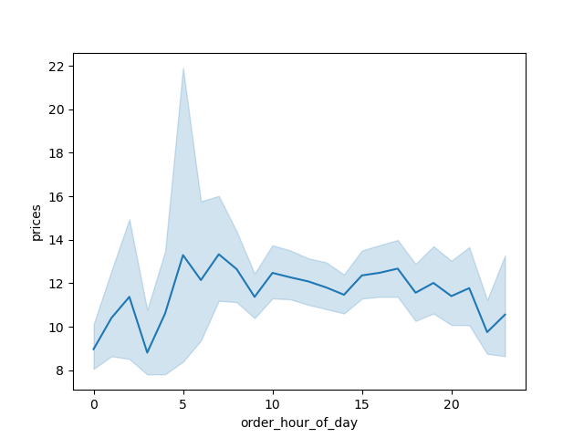
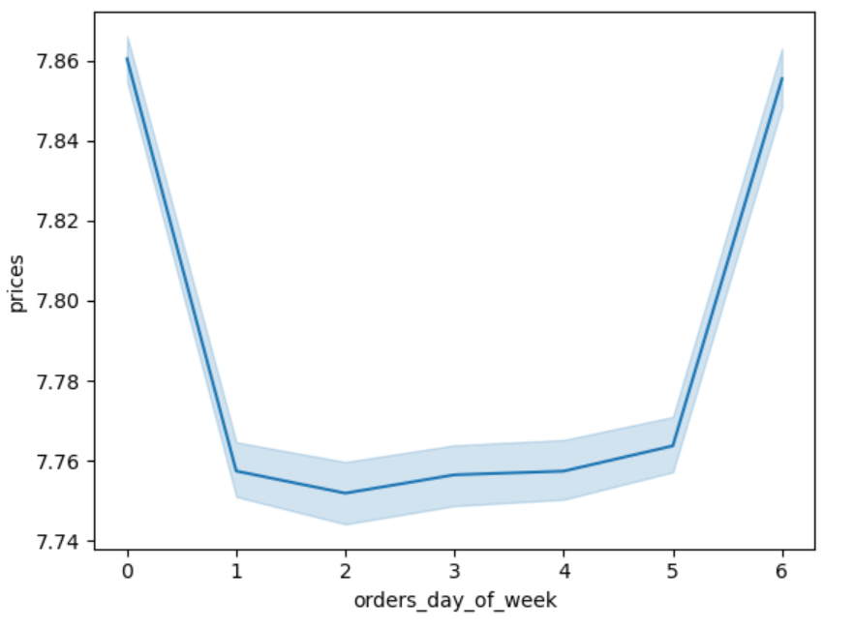

Question
Instacart has a lot of products with different price tags. Marketing and sales want to use simpler price range groupings to help direct their efforts.

Answer
From the chart, the mid range products have much more number of orders than low and high ranges.
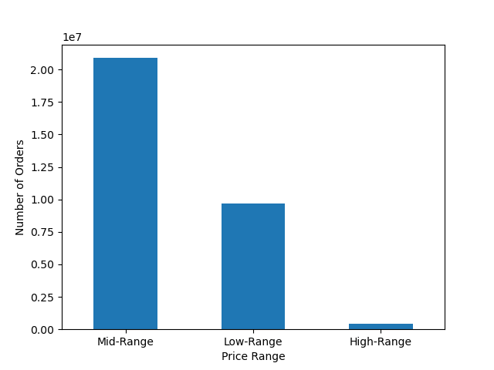

Low range: < $5
Mid range: $5 - $15
High range: > $15

Question
Are there certain types of products that are more popular than others? The marketing and sales teams want to know which departments have the highest frequency of product orders.

Answer
Produce, dairy eggs, snacks, beverages and frozen are the top 5 most popular products.

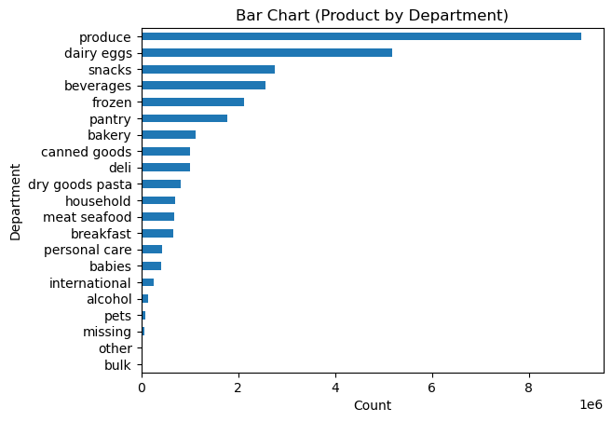

Question
What’s the distribution among users in regards to their brand loyalty (i.e., how often do they return to Instacart)

Answer
The regular customer group have returned to shop at Instacart most often.
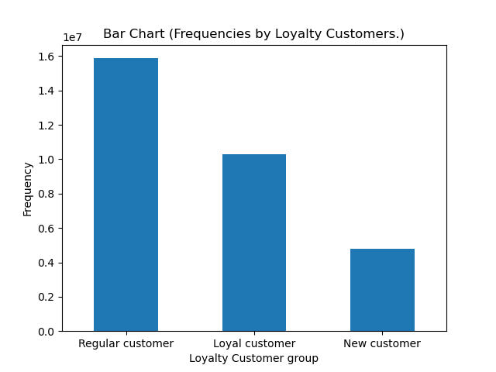

Loyal customer: max order > 40 Regular customer: Max order = 10 - 40 New customer: Max order < 10

Question
Are there differences in ordering habits based on a customer’s loyalty status?

Answer
All 3 groups have the same ordering habit which is to order the most products in mid-range.

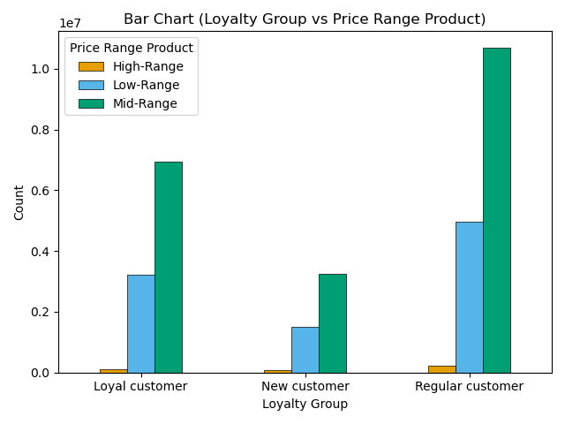

Low range: < $5
Mid range: $5 - $15
High range: > $15

Loyal customer: max order > 40 Regular customer: Max order = 10 - 40 New customer: Max order < 10

Question
Are there differences in ordering habits based on a customer’s region?

Answer
South region has the most number of orders followed by west region and midwest region, whereas northeast region has the least number of orders.
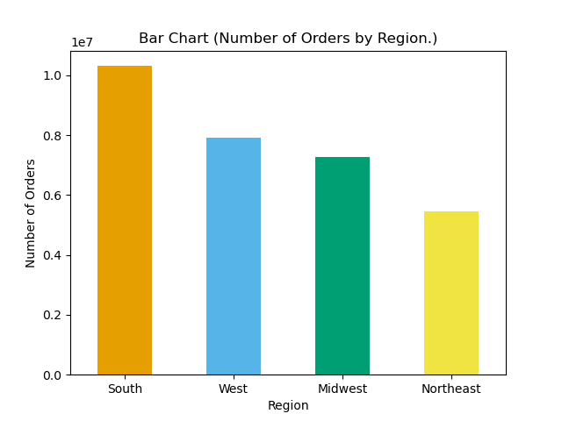

Question
Is there a connection between age and family status in terms of ordering habits?

Answer
Married individuals in the adult, middle-aged adult, and senior groups are more likely to purchase items through Instacart, except for the young adult group.
Additionally, middle-aged adult has the most potential to spend money at Instacart compared to other age groups.
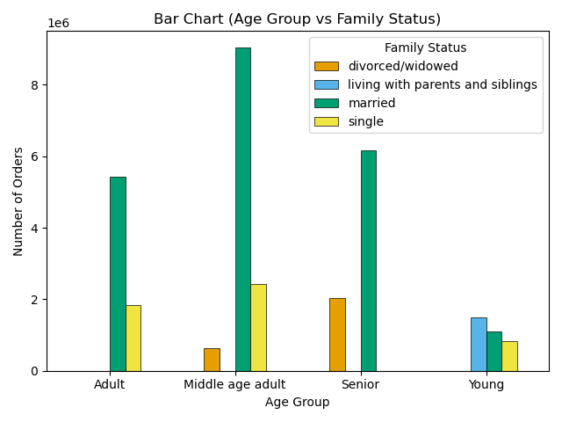

Young: < 25
Adult: 25- 39
Middle age adult: 40 - 64
Senior: > 65

Question
What different classifications does the demographic information suggest? Age? Income? Certain types of goods? Family status?

Answer
The suggestion will be based on this proportional region on the pie chart below.
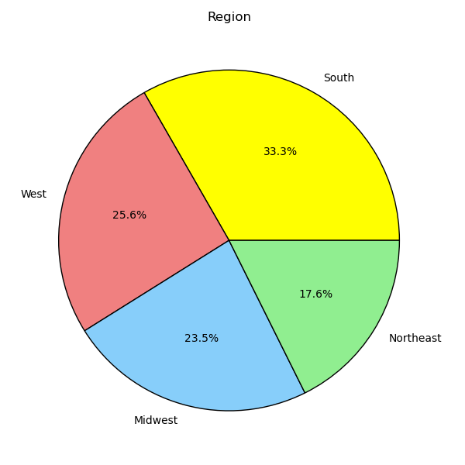

The chart shows that south region has the highest frequency followed by west, midwest and northeast regions in the dataset of the Instacart project.

Region vs age group classification
The chart shows that middle-aged adult contributes the highest frequency on this dataset followed by senior, adult and young individuals.
The demographic in terms of age groups shows that the Southern region has the most potential to spend money on purchasing items across all age groups.
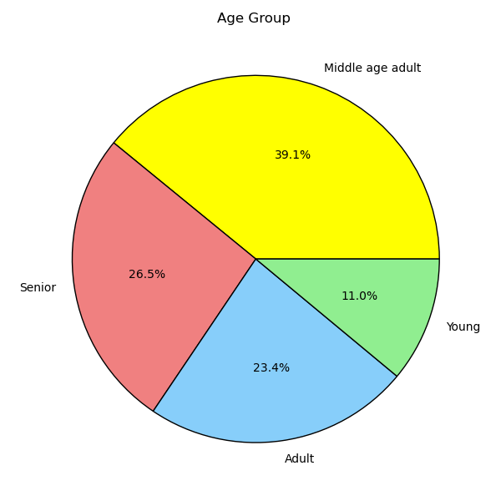
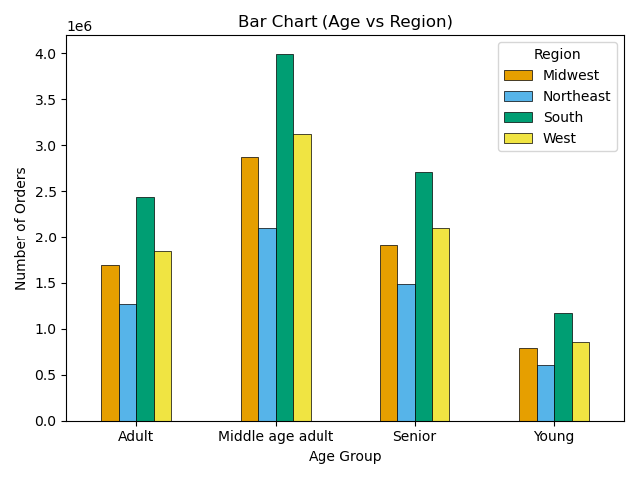

Young: < 25
Adult: 25- 39
Middle age adult: 40 - 64
Senior: > 65
Highest: Middle-aged adult and midwestern region
Lowest: Young age and southern region

Region vs income classification
The chart shows that high income contributes the highest frequency on this dataset followed by medium and low incomes.
The demographic in terms of income shows that the Southern region has the most potential to spend money on purchasing items across all income groups.
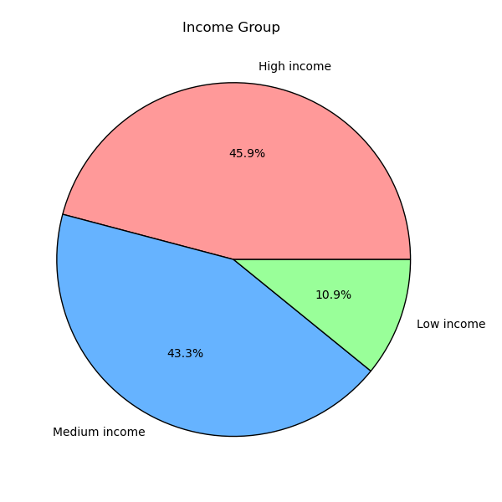
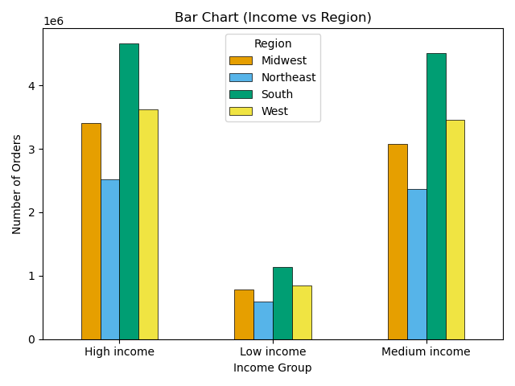

Low income: < $50,000
Medium income : $50,000 - $99,999
High income: > $100,000
Highest: High income and southern region
Lowest: Low income and northeastern region

Region vs product department classification
The chart shows that product from produce department contributes the highest frequency on this dataset followed by dairy eggs and snacks.
The demographic in terms of department product shows that the Southern region has the most potential on purchasing items across all regions

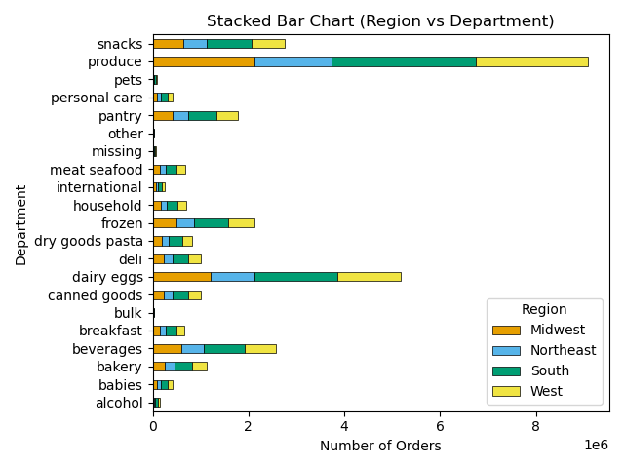

Highest: Produce and southern region
Lowest: Bulk and northeastern region

Region vs family status classification
The chart shows that married status contributes the highest frequency on this dataset followed by single, divorced/widowed and living with parents and siblings.
The demographic in terms of family status shows that the married status has the most potential on purchasing items across allfamily status.

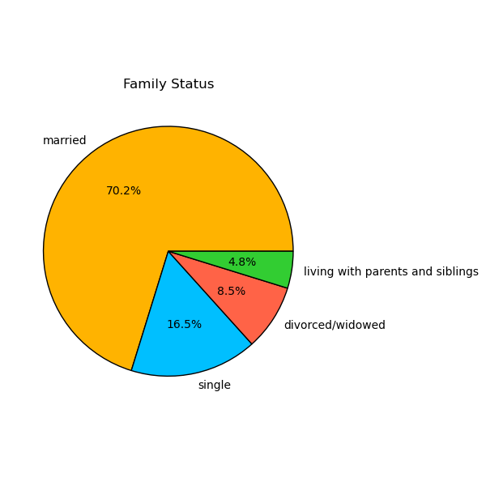

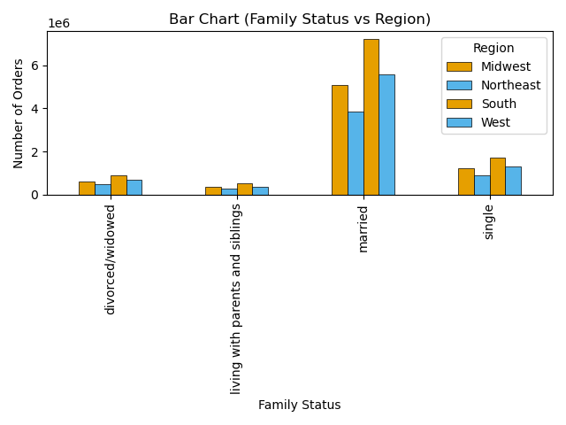

Highest: Married status and southern region
Lowest: Living with parents and siblings and northeastern region

Question
What differences can you find in ordering habits of different customer profiles? Consider the price of orders, the frequency of orders, the products customers are ordering.

Answer
Another customer profile I can think of is "Number of Dependents." This could provide interesting data that might be useful for the sales and marketing team.
People who have dependents spend much more money on purchasing products from Instacart than people without dependents.
On the chart below people with dependents have triple frequency of people without dependents.

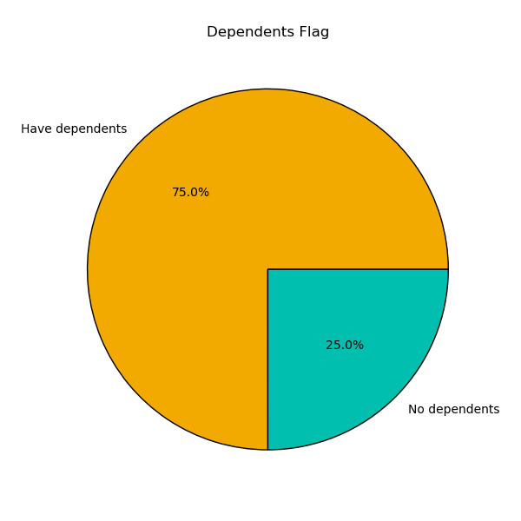
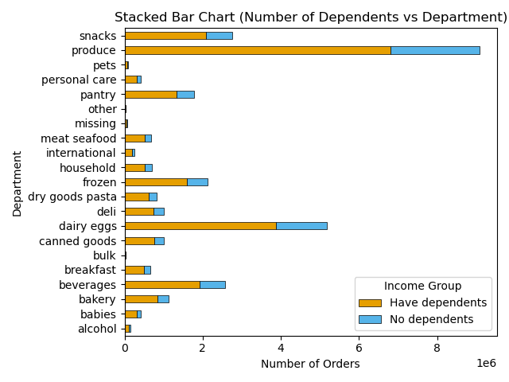

Highest: People with dependents
and produce department
Lowest: People without dependents
and bulk department
No dependents : 0 number of dependents
Have dependents : > 0 number of dependents

7. Recommendations
 |  |  |  | Title page

Recommendations

Question | Answer | Recommendations
1. What are the busiest days of the week and hours of the day? | Weekend are the busiest day of the week. Tuesday and Wednesday are the least bust days of the week. Most orders are between 9 a.m. and 6 p.m. with a peak at 10 a.m. to 11 a.m. | Launch promotions and deals to upsell on weekdays, specifically targeting the slower times of the day from 7 p.m. to 5 a.m.
2. Are there particular times of the day when people spend the most money? | The chart shows that the hours from 5 to 8 have higher prices than the other hours. Additionally, if we consider the error bands in the graph, it is statistically more likely that the prices will fall within the higher range at hour 5 compared to the other hours. | Although the charts show that sales are higher in the morning and on weekends, there is a statistical error band that we should not ignore. At 5 a.m., the price range is between $8 and $22, indicating high volatility. I recommend that the analysis team focus more on this issue. If we can clarify this, it might demonstrate that this is the time of day when customers spend the most money.
3. Instacart has a lot of products with different price tags. | The chart shows that the mid range products have much more number of orders than low and high ranges. | No recommendation ,we groupped them as the marketing and sales requested.
4. Are there certain types of products that are more popular than others? | Produce, dairy eggs, snacks, beverages and frozen are the top 5 most popular products. | Launch promotions and deals to upsell on least popular products such as products on pets, other and bulk departments.
5. What’s the distribution among users in regards to their brand loyalty. | The regular customer group have returned to shop at Instacart most often. | Loyal customers are the second most likely to return. Since they are loyal, we should create a loyalty program, such as discounts or deals, to encourage them to shop more at Instacart. In addition to attracting new customers, we should focus on promoting the business more to them.
6. Are there differences in ordering habits based on a customer’s loyalty status. | All three groups have the same ordering habits: they tend to order the most products in the mid-range, with regular customers contributing the most to purchases at Instacart. | 1. The new customer group contributes the least, so we should focus on promoting the business to them. 2. High-range products also contribute the least. The company should take steps to upsell this group. If Instacart customers are not interested in high-priced products, Instacart should consider finding different suppliers to offer the same products at lower prices, thus saving costs.
7. Are theredifferences in ordering habits based on a customer’s region? | South region has the most number of orders followed by west region and midwest region, whereas northeast region has the least number of orders. | Consider upselling products in the regions with the least contributions, specifically the Northeast and Midwest, by launching promotions and deals. These regions experience snowy weather, so Instacart might consider upselling products relevant to winter household needs. This could help boost sales.
8. Is there a connection between age and family status in terms of ordering habits | Married individuals in the adult, middle-aged adult, and senior groups are more likely to purchase items through Instacart, except for the young adult group. Additionally, middle-aged adult has the most potential to spend money at Instacart compared to other age groups. | Married people have much more potential than other groups, according to the results. Instacart should consider upselling products relevant to family household needs. Their behavior is likely to involve spending time at home with their spouse and deciding to have children. Upselling products that they will use at home and for babies would be a great choice. One thing to keep in mind is to ask the analysis team to consider the number of dependents among married customers. This can help determine if products relevant to babies and children are needed and in demand. | v
9. What different classifications does the demographic information suggest? Age? Income? Certain types of goods? Family status | Region vs age group classification - Middle-aged adult contributes the highest frequency on this dataset followed by senior, adult and young individuals. - The Southern region has the most potential to spend money on purchasing items across all age groups. Region vs income classification - High income contributes the highest frequency on this dataset followed by medium and low incomes. - The Southern region has the most potential to spend money on purchasing items across all income groups. Region vs product department classification - Produce department contributes the highest frequency on this dataset followed by dairy eggs and snacks. - Southern region has the most potential on purchasing items across all regions. Region vs family status classification - Married status contributes the highest frequency on this dataset followed by single, divorced/widowed and living with parents and siblings. - Married status has the most potential on purchasing items across allfamily status. | The Southern region contributes the most frequently across all classifications. Instacart should prioritize these regional Southern locations. On the other hand, they should focus on upselling in the regions with the least contributions. The results show that, in most classifications, the Northeastern region contributes the least. Launching promotions and deals in this region would help increase sales.
10 . What differences can you find in ordering habits of different customer profiles? | Another customer profile I can think of is "Number of Dependents." This could provide interesting data that might be useful for the sales and marketing team. People who have dependents spend much more money on purchasing products from Instacart than people without dependents. The chart shows people with dependents have triple frequency of people without dependents. | This can be a continued analysis and recommendation from question #8. The analysis team should consider examining the relationship between these two variables: the number of dependents and family status, as they may have a significant correlation. For instance, the results might show that married individuals with dependents are the most frequent customers purchasing from the produce and bulk departments for their family's consumption. Later on, Instacart can launch deals to capitalize on these findings.

